Sheet1
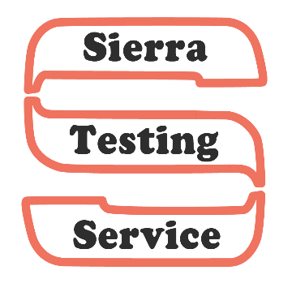
 |  | Hay Probe Order Form

Billing Information: |  |  |  |  | Date:

Name:

Address:

City, State, Zip:

Phone Number:

Shipping Information: (If different than billing)

Name:

Address:

City, State, Zip:

Phone Number:

Quantity: | @ $75 = | $0.00

Credit Card Information:

*This information will not be kept on record and will be destroyed once processed.
We accept: Visa, Mastercard, Discover

Credit Card Number:

Expiration Date: |  | /
 | Month |  | Year

3 Digit Security Code: |  |  |  | Billing Zip Code:
*Your card will show a charge from S.D. Seifert Co., NOT Sierra Testing Service

PLEASE SUBMIT FORM VIA FAX OR EMAIL
Phone (209)333-3337 |  | Fax (209)339-9691 |  |  | stshaytest@gmail.com

